tab
 | Brand | ASIN | Article | Product Name | QTY | Retail | Price
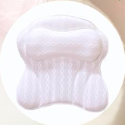 | KAN | B07TRFBHH1 | X0028LMFRV | Luxury Bath Pillows for Tub Neck & Back Support | 3,167 | € 24.75 | € 2.65
 |  |  |  |  | 3,167

